Sheet1
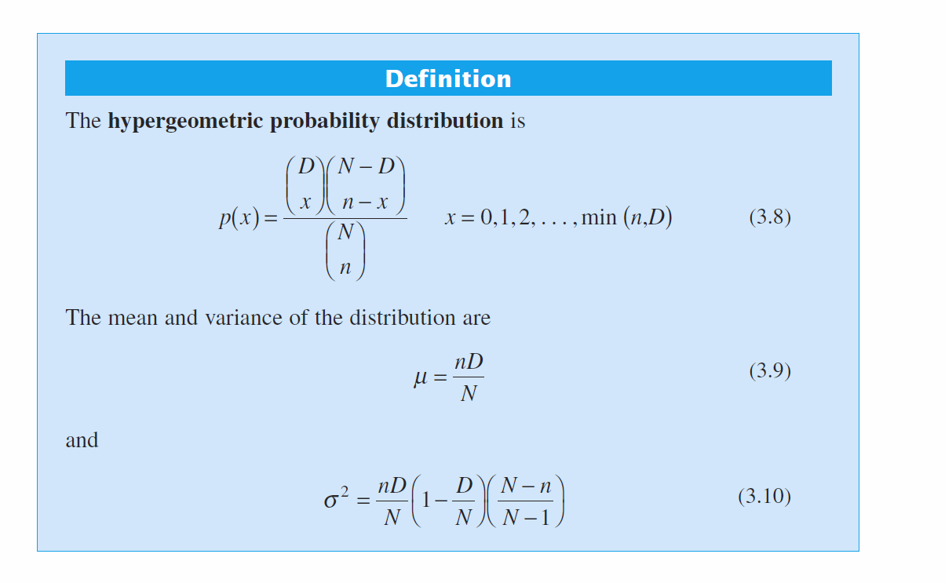
Hypergeometric Distribution (N, D,n,x)
N | 1000 | x | P(X=x) | C(X<x) | Use COMBIN(a, b) function
D | 30 | 0 | 0.040349502438 | 0.040349502438
n | 100 | 1 | 0.13897647223 | 0.17932597467
 |  | 2 | 0.22878523611 | 0.40811121078
 |  | 3 | 0.23970473001 | 0.64781594079
 |  | 4 | 0.17957285123 | 0.82738879202
 |  | 5 | 0.10244887695 | 0.92983766897
 |  | 6 | 0.046293014224 | 0.97613068319
 |  | 7 | 0.017012060611 | 0.9931427438
 |  | 8 | 0.0051806374781 | 0.99832338128
 |  | 9 | 0.0013254468785 | 0.99964882816
 |  | 10 | 0.00028783283918 | 0.999936661
 |  | 11 | 5.3461883245E-05 | 0.99999012288
 |  | 12 | 8.5415763952E-06 | 0.99999866446
 |  | 13 | 1.1786616439E-06 | 0.99999984312
 |  | 14 | 1.4085654261E-07 | 0.99999998398
 |  | 15 | 1.4600271384E-08 | 0.99999999858
 |  | 16 | 1.3131592843E-09 | 0.99999999989
 |  | 17 | 1.0241231636E-10 | 0.99999999999
 |  | 18 | 6.9133439284E-12 | 1
 |  | 19 | 4.0274290602E-13 | 1
 |  | 20 | 2.0159771307E-14 | 1
 |  | 21 | 8.6194308404E-16 | 1
 |  | 22 | 3.1229185322E-17 | 1
 |  | 23 | 9.4878093582E-19 | 1
 |  | 24 | 2.3834494985E-20 | 1
 |  | 25 | 4.8574434473E-22 | 1

